Guidance
This template is developed for Schou Company A/S to perform Sales Order creation via CSV-upload in NetSuite. The main goal of this template is to optimize and fasten the process of creating Sales orders recevied in various fileformats (e.g., xlsx, CSV, SKV, etc.) from larger customers such as Action, Handymann, Dollarstore, and Gekås.

The template contains the following tabs:
- | START |  | This is the starting sheet and control panel of the template. Here the user is guided through the 5 steps of the template.
- | INSERT - _data_copy |  | Each of the larger customers (Action, Handymann, Dollarstore, and Gekås) has is own sheet. Here the user must inserts the all of the lines for the sales order.
- | Transformed |  | As a user you do not use this tab for anything. This is an automatic sheet gathering the information into the correct line information suitable for NetSuite upload.
- | HELP - Customer_data |  | As a user you do not use this tab for anything. This is an helping and maintancene sheet gathering the correct customer master data from NetSuite.
 |  |  | Name of the saved seach: [SALES] Customer data for SO CSV upload file

Step 1 | Allox macros

 | When opening the file the user must:
a) | Press "Enable Content"

b) | Press "Yes" to the Security Warning

obs!) | In some case, the user have to -> right click on the file in folder -> click 'Egenskaber/proporties' ->
 | click 'Fjern blokering/ Unblock' -> click "Anvend/apply' -> click "OK".
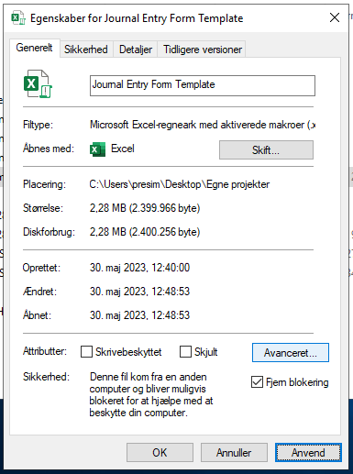
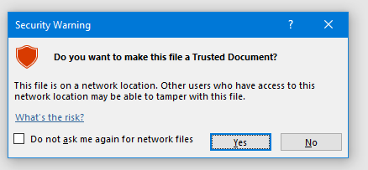

Step 2 | Go through step 1) of the Control Panel in the START-sheet

obs!) | Be aware that the required information various from the various customers:
- | Action and Dollarstore only requires 1.1) Customer selection to be filled (other fileds is simply left blank)
- | Handymann and Gekås require both 1.1) + 1.2) Customer- and Adress selection to be filled
 | - if a specific ETA (delivery date) is requested by Handymann, Dollarstore or Gekås it can be overwritten in cell 1.3) ETA selection

a) | Step 1.1) Customer selection
- | Use the customer selection dropdown to select the customer you're about to create a sales order for.
 | This is nessecary as the queries only pulls in data that refers to one selected customer.
 | Hence, it is only possible to upload sales orders for one customer at a time.

b) | Step 1.2) Address selection
- | After selecting either Handymann or Gekås the user must use the Address selection to select which shipping address the sales order refers to.
 | The shipping address is used to find the currect customer number (debitor nummer).

Obs) | For Action and Dollarstore Address selection is not nessecary. For Action the customer is selected based on the DC and DC2, and for Dollarstore it is selected based on Site. This information is in the received files.
 | Hence, both for Action and Dollarstore mulitple orders from multiple Action and Dollarstore customers with different shipping address can be uploaded at the same time.

Step 3 | How to insert lines

a) | Go to one of the blue "INSERT - _data_copy"-sheet and insert all data lines from the file received from the customer
- | Go to the a "INSERT - _data_copy"-sheet that contains the name of the customer you're about to upload.

 |  |  |  | Illustration for Action Orders:
b) | Depending on the customer where are different ways the user must insert the received data:
- | Action: Open the file with excel -> and copy paste all lines in from the order
 | - for Action it doesn't matter of you include or exclude the header row.
 | - you can insert all the lines you want to. Also, from multiple different orders and different customer numbers
 | and shipping address. If so, simply redo step b) and c) again.

- | Gekås: Open the file with excel -> and copy paste all lines in from the order
 | - for Gekås you can insert all the lines you want to. However, only for the one customer number.

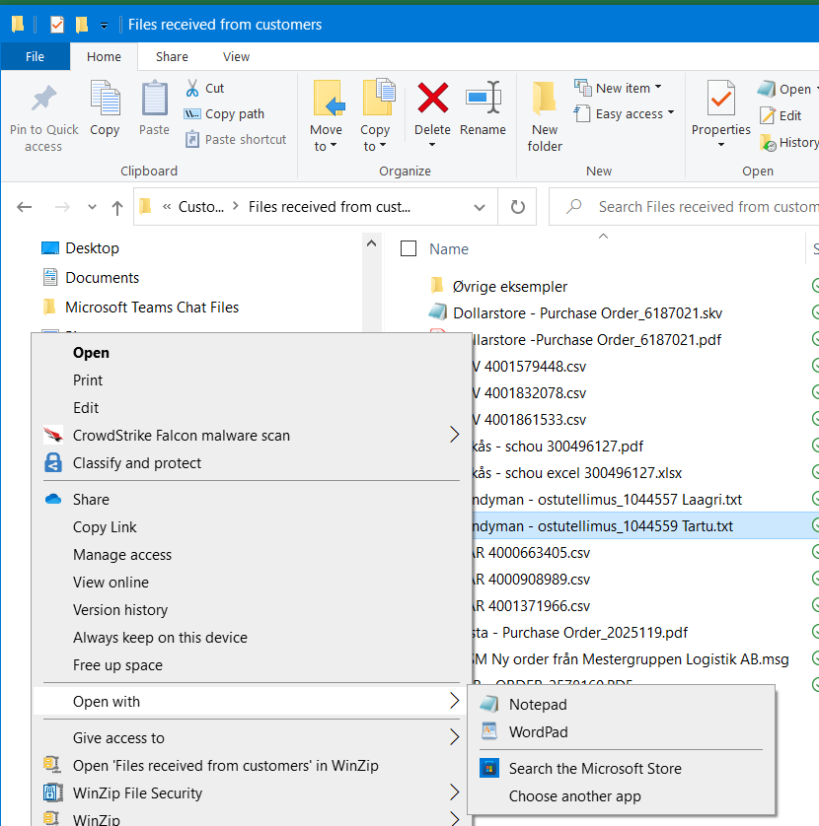
 |  |  |  | Illustration for Handymann and Dollarstore Orders:
- | Dollarstore: | Open the file with the program Notepad (right click the file > Open with/åben med > Notepad)
 |  | Copy all lines (press: crtl + A then press: crtl + C)
 |  | Paste all line into cell A2 in the sheet: INSERT - dollarstore_data_copy
 |  | In column B the user must manually insert the customers PO-number / customer reference number and drag
 |  | it down for all relevant lines. You
 | - for Dollarstore you can insert all the lines and order you want to. However, remember to manually insert the PO number in column B!

- | Handymann: | Open the file with the program Notepad (right click the file -> Open with/åben med > Notepad)
 |  | Copy all lines (press: crtl + A then press: crtl + C)
 |  | Paste all line into cell A2 in the sheet: INSERT - handymann_data_copy
 | - for Handymann you can insert all the lines you want to. However, only for the one customer number.

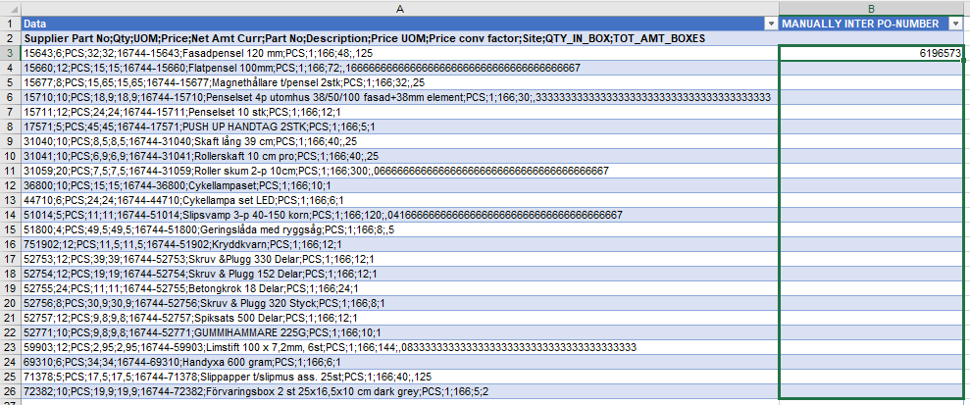
 |  |  |  |  | Only for dollarstore

Step 4 | Using the rest of the Control Panel

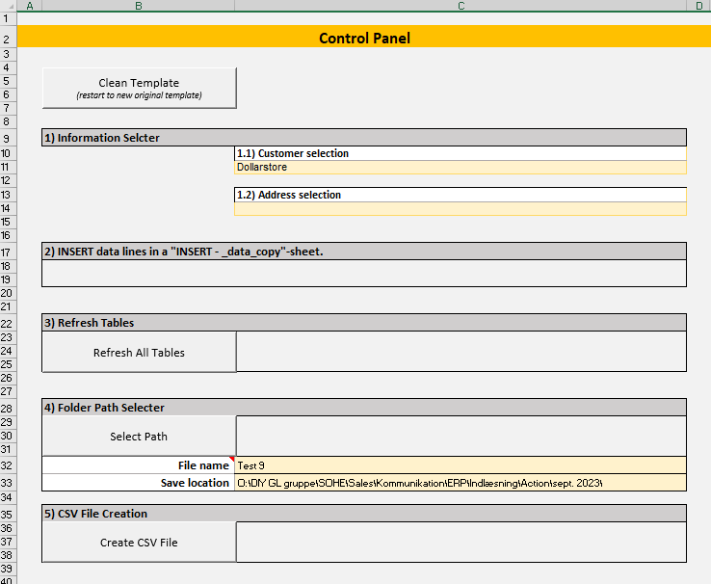
 | After completing step 3 and inserting all lines for the order(s) you want to create. The user must:

a) | Pres the "Refresh All Tables"-buttom
- | If you get the below warning or similar to, please make sure that you have selected a customer in step 1.1).

b) | Use the "Select path"-button and select a save location for the CSV-upload-file:

c) | Enter a file name for the CSV-upload-file you are about to create:
 | The following characters are not allowed: " \ / : | < > * ?

d) | Click the "Create CSV File"-button to create the CSV-upload-file:

Step 5 | Upload in NetSuite

a) | Go to NetSuite

b) | Navigate to Setup > Import/Export > Click: Saved CSV Imports
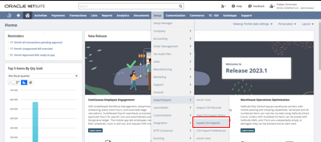

c) | Find the import template for the customer:
 | Action: | For Action the orders have to be uploaded in 2 steps:
 | 1) | Use import template: CSV Sales Order Template - Action STEP 1 and click on the name
 | 2) | Use import template: CSV Sales Order Template - Action STEP 2 and click on the name

 | Others: | For Dollarstore, Handymann, & Gekås only one upload is required: CSV Sales Order Template and click on the name

d) | Click on 'Select' and find the saved CSV-file from Step 4 > click 'Next'
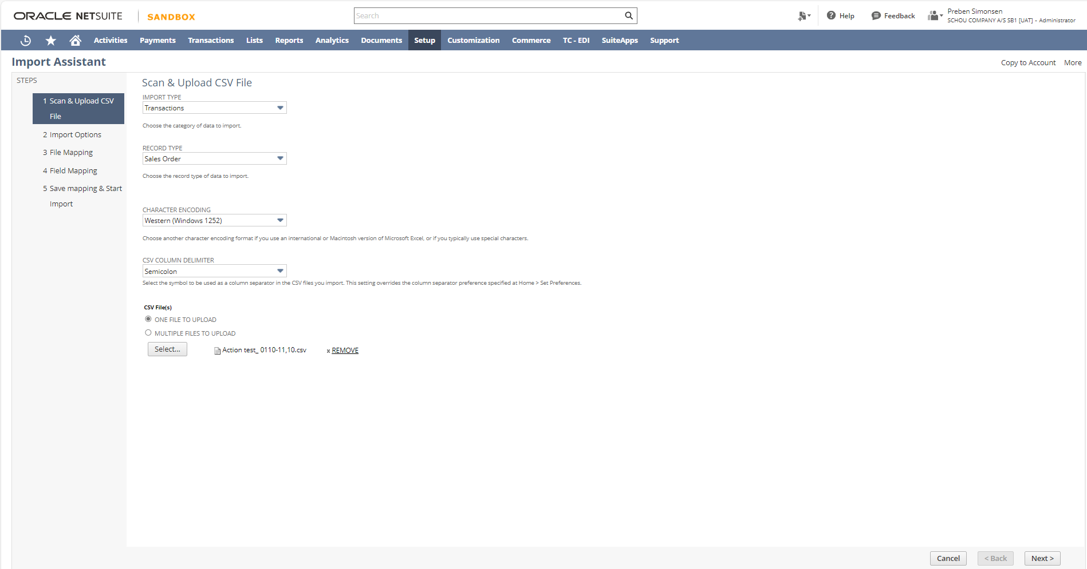

e) | In the Import Options tab make sure that Data Handling is set as 'ADD OR UPDATE' > click 'Next'.
 | Obs: the decimal delimiter is set to comma. (If needed this can be changed in this tab by clicking 'Advanced Options')
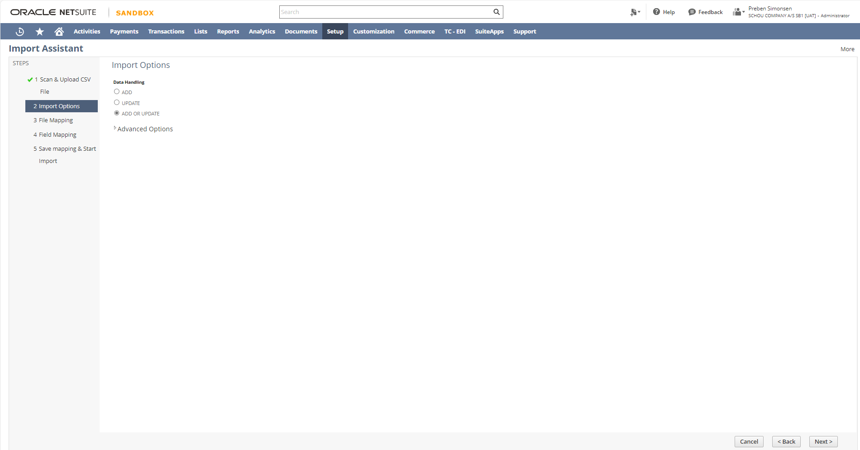

f) | In the Import Assistant tab make sure the mapping is complete and > click 'Next'
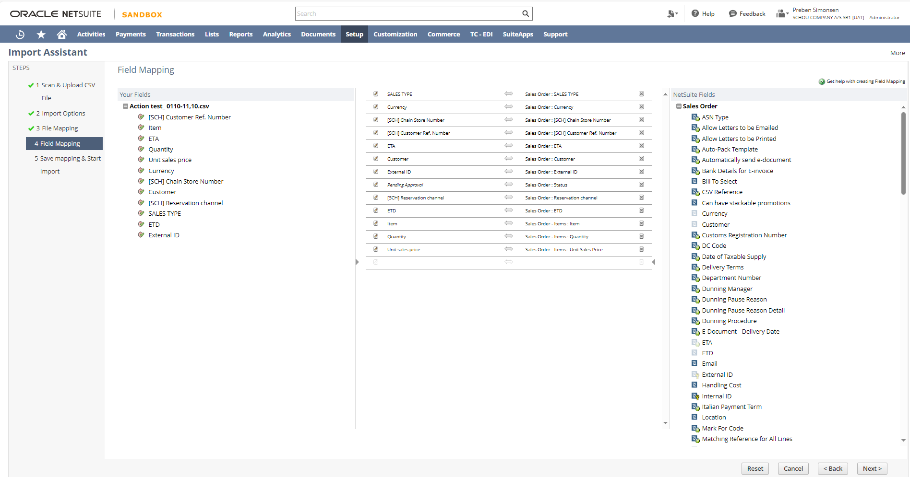

g) | In the Save mapping & Start Import tab hold the mouse over the blue arrow in the bottum right corner and hit 'run'
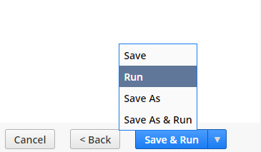

h) | Click on Import Job Status or navigate to > Setup > Import/Export > Click on: View CSV Import Status

i) | In the Message column you will see that the records have been imported succesfully.

 | Validate that fields are set up like below, upload file and press 'Next':

j) | Jobs done! The Sales Order has now been succesfully created.

info) | You can use the saved search: CSV Imported Sales Orders to find a list of Sales Orders and search for the ones created by a specific employee. OBS: This saved seach shows all Sales Orders - not only the ones created by CSV import (as the name might imply).

START
Control Panel

Clean Template
(restart to new original template)

 | 1) Information Selector |  | 6) Upload template links
 |  | 1.1) Customer selection | No template yet!
 |  | Jysk

 |  | 1.2) Address selection (Only required for Bergendahl, Gekås and Handymann)

 | 2) INSERT data lines in a "_data"-sheet.
Go to datasheet

 | 3) Refresh Tables
Refresh All Tables

 | 4) Folder Path Selecter
Select Path

 | File name
 | Save location
 | 2025.07.31.11.00.34
 | 5) CSV File Creation
Create CSV File
 | Last Row
 | 1

jysk_data
Back to Start sheet
Order no. | Sales order no. | Item | Article | Quantity | Delivery date | ETD date | Booking date | Order date | Route | Text | Supplier article no. | Supplier | Agent | Unit price | Pack size | Claim type | ABC | Country | Total price | Currency | Buyer | Planner | Status | Terms of payment | Terms of delivery | Supplier contact | Supplier comment | Delivery address | Bank | Invoicing address | Shipping instructions | Item text | Container size | Pcs. pr. full load | Share of full load | DBL Article | Forwarding Agent | Booking System | [SCH] SEND EMAIL (PURCHASE) | [SCH] QC | [SCH] XRF SCAN REQUEST | [SCH] XRF SCAN REQUEST2 | [SCH] CONTACT (PURCHASE)

